2. Init Display
C-14
C-1
3. Initial display (screen layout)
. Initial display (screen layout) | 3.1 Group Configure

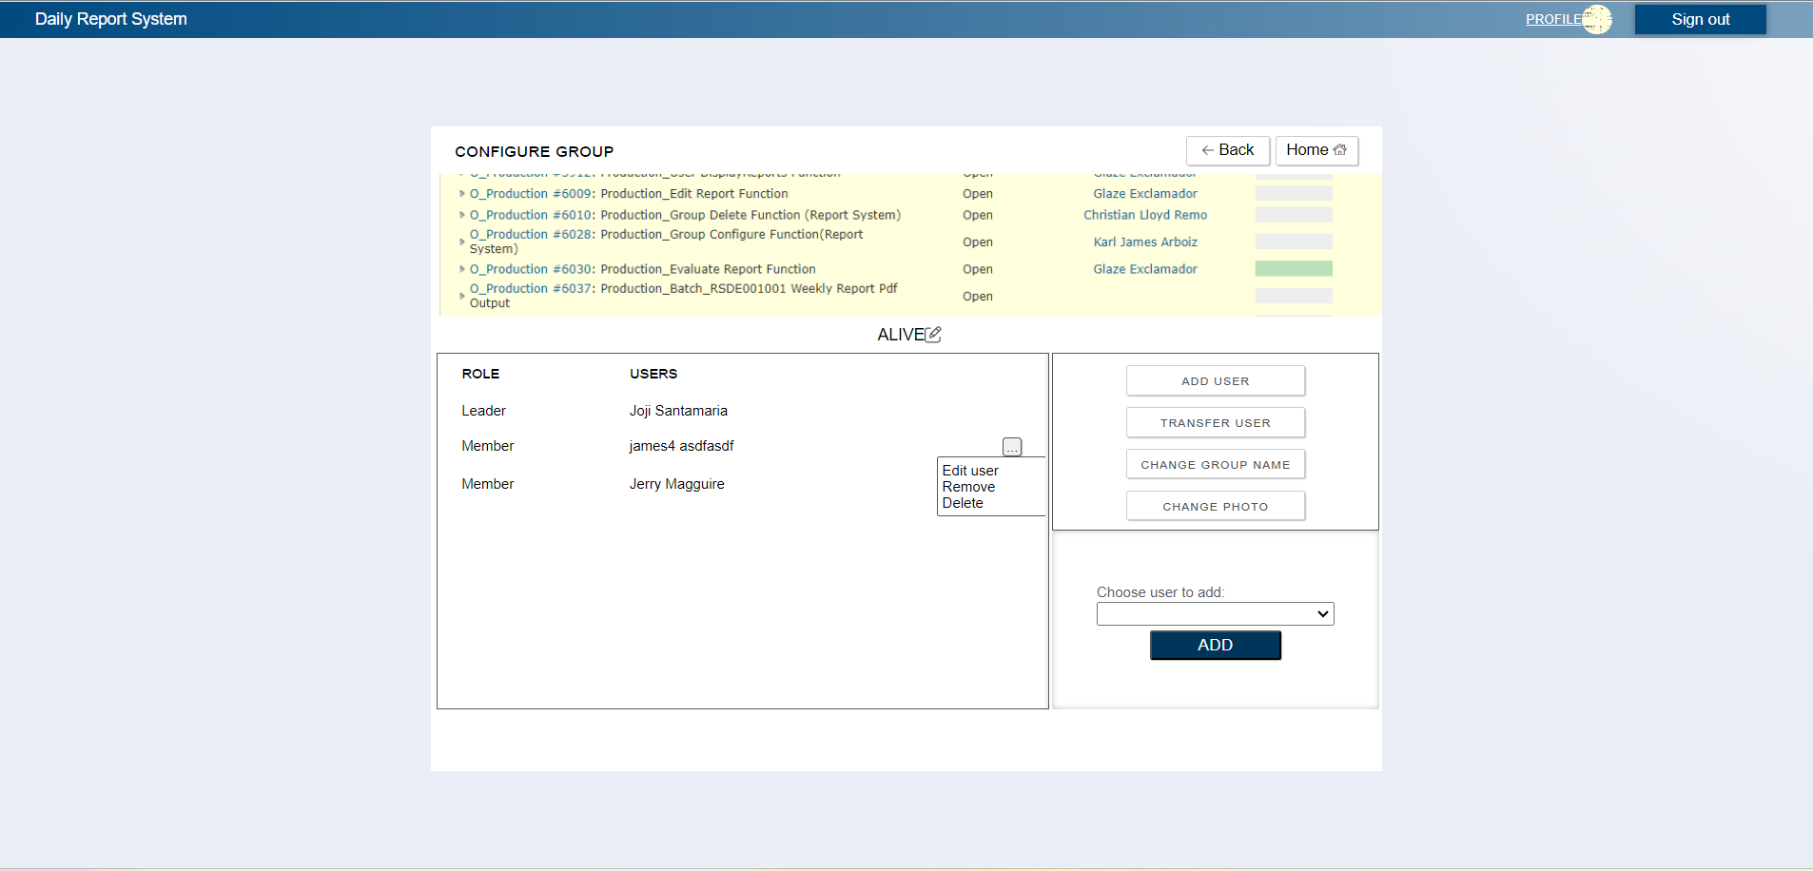
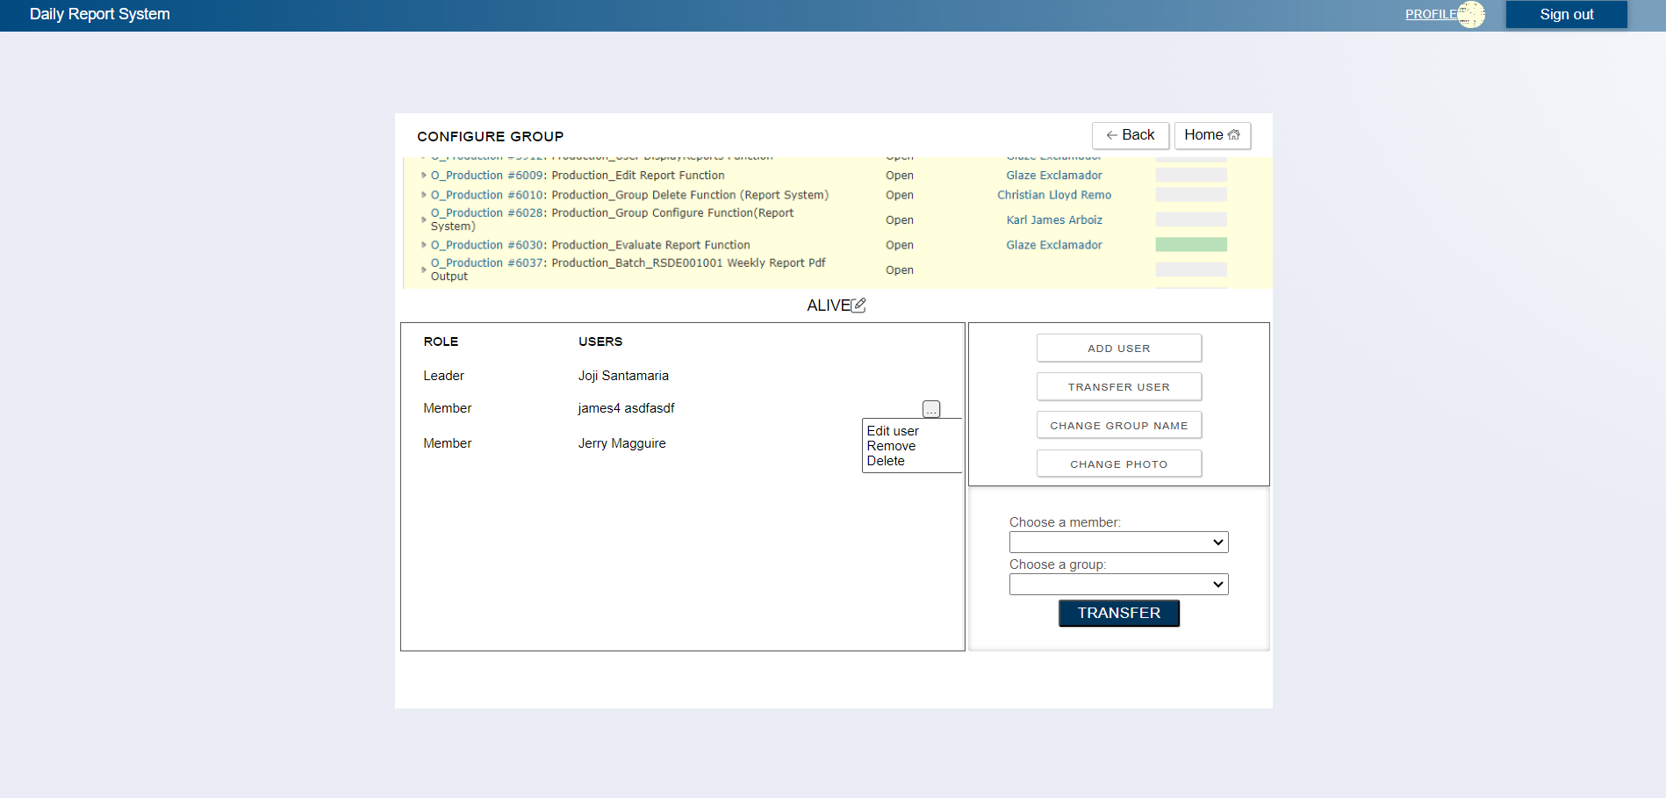
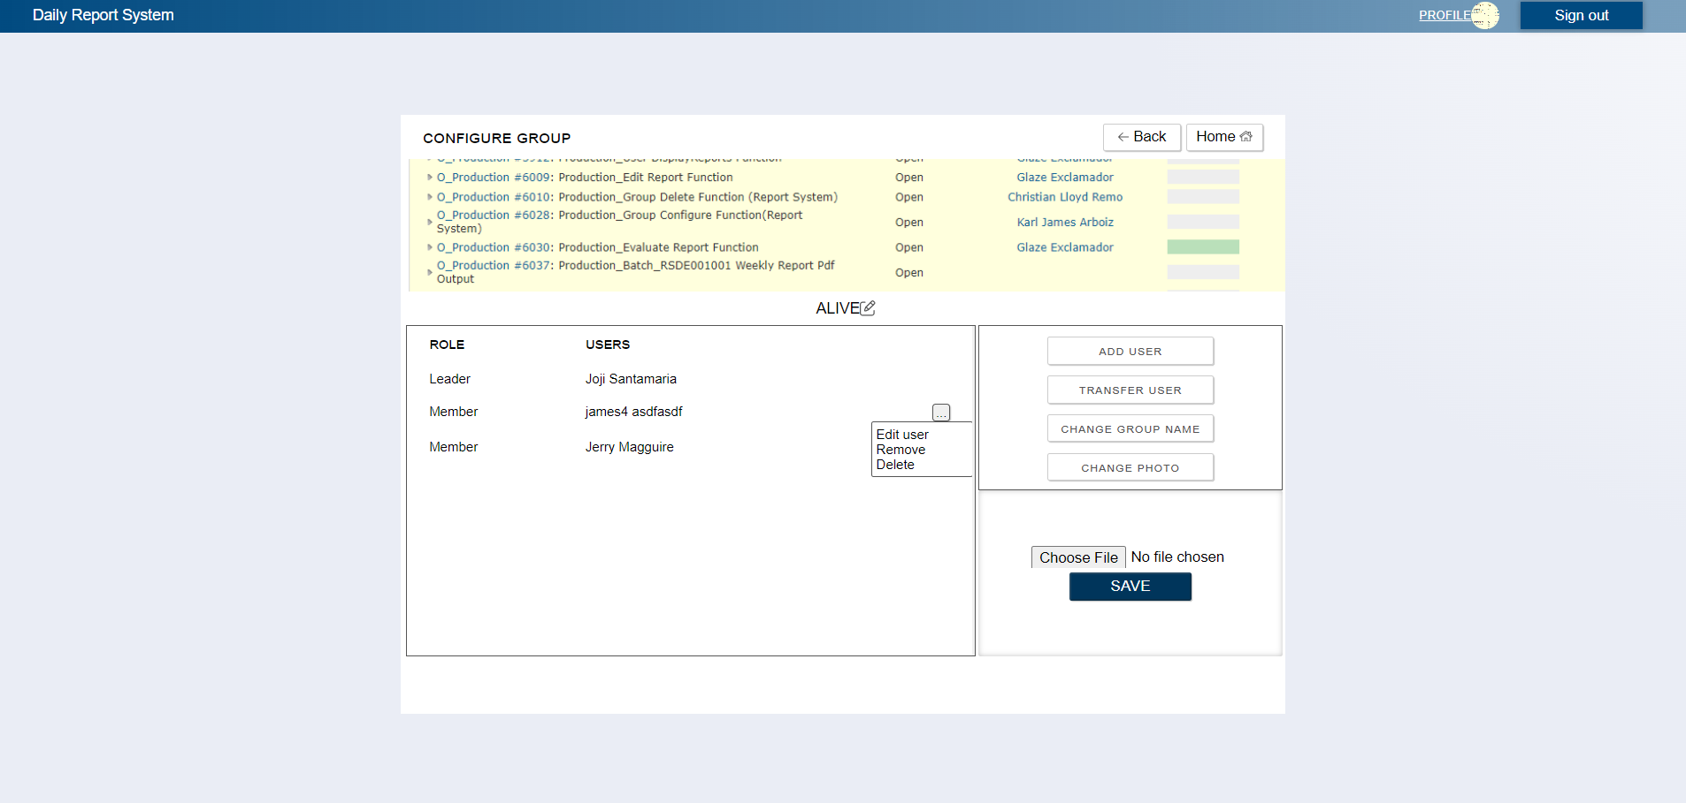
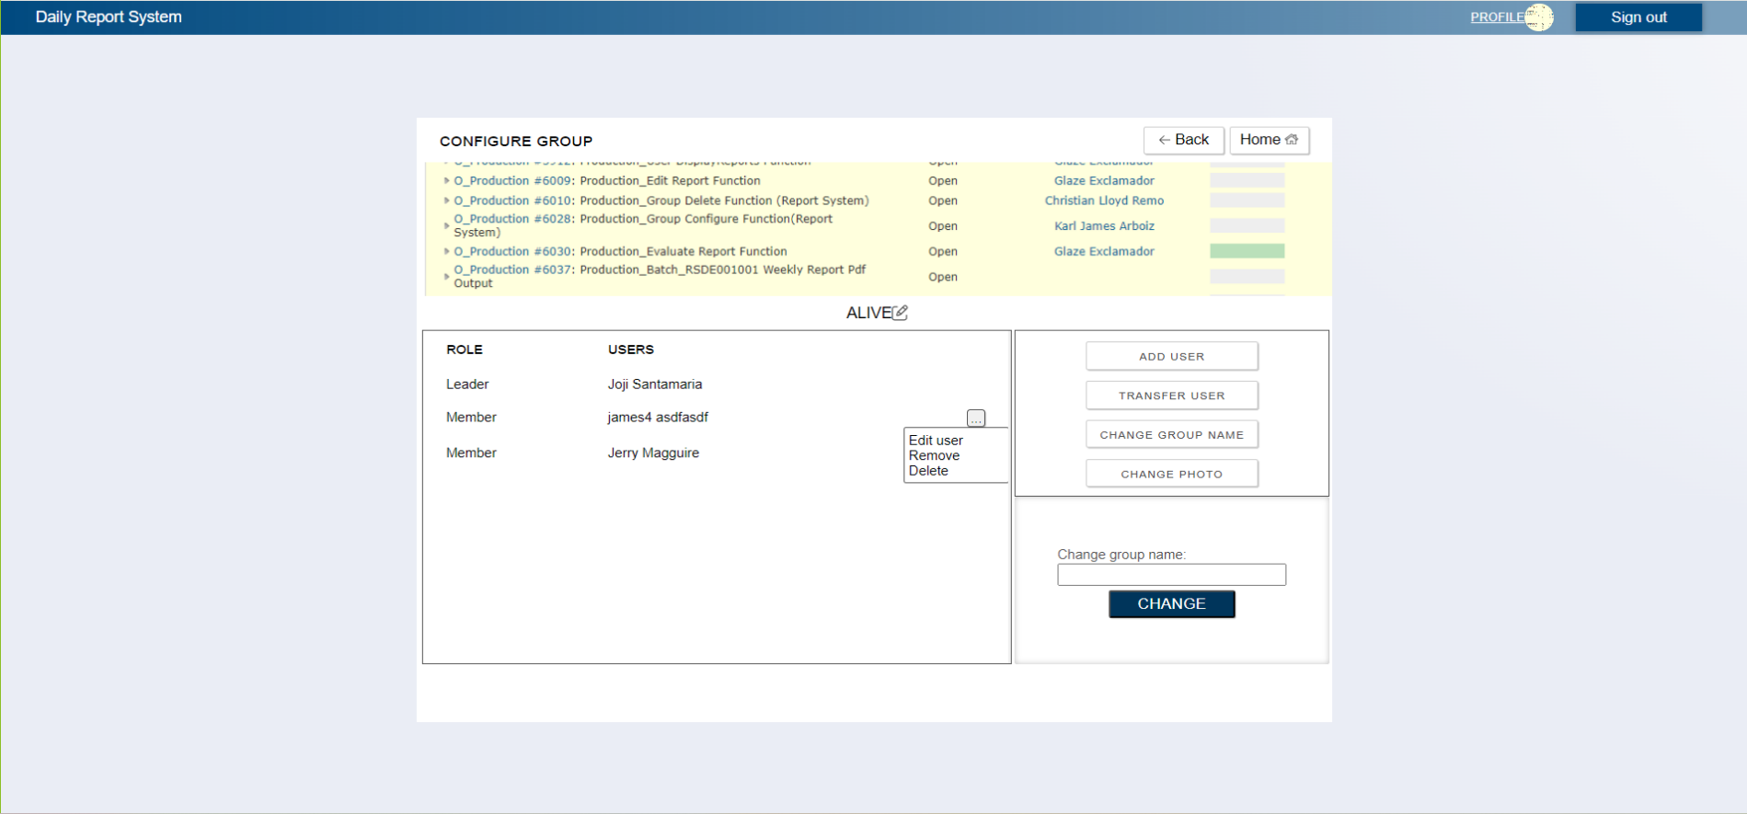

C-13
C-15

B-5

B-4
B-1
B-2
C-4
C-2

C-3

C-8

C-7, A-4
A-1
B-3, A-1
A-2
C-16
A-3
C-17
C-5
C-6

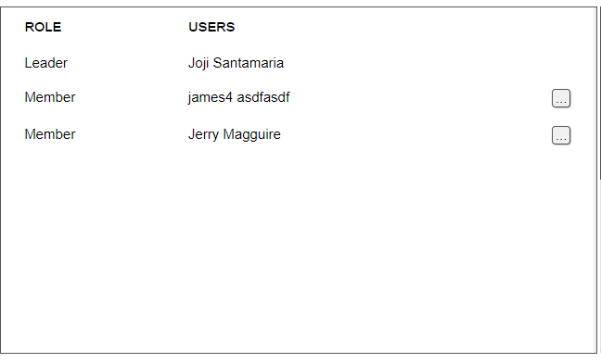
 | No | Area | Item Name | Notes | Source table fields
 | 1 | A-1 | Member | text | ***
 | 2 | A-2 | Group | text | ***
 | 3 | A-3 | Group Name | text | ***
 | 4 | A-4 | Select Photo | file | ***
 | 5 | B-1 | User's Role | text | M_USER_INFORMATION.role
C-9
 | 6 | B-2 | User's Full Name | text | M_USER_INFORMATION.firstName,M_USER_INFORMATION.lastName
C-10
 | 7 | B-3 | List of Members | list | list of M_USER_INFORMATION.firstName, M_USER_INFORMATION.lastName
 | 8 | B-4 | Group Name | text | M_GROUP.groupName
 | 9 | B-5 | Group Photo | Image | M_GROUP.displayPicture
 | 10 | B-6 | List of Groups | list | lsit of M_GROUP.groupName
C-11
 | 11 | C-1 | Signout | Logout from the web application | ***
C-12
 | 12 | C-2 | TRANSFER USER | Pop out Transfer User Screen | ***
 | 13 | C-3 | CHANGE GROUP NAME | Pop out Change group name Screen | ***
 | 14 | C-4 | ADD USER | Pop out to add a new user to the group | ***
 | 15 | C-5 | TRANSFER | Move A User From One group to the other | ***
 | 16 | C-6 | CHANGE | Change the group name | ***
 | 17 | C-7 | Select New Photo | Click on the image to select new display photo | ***
 | 18 | C-8 | CHANGE PHOTO | Pop out Change Photo Screen | ***
 | 19 | C-9 | User Menu | Kebab button that will show settings for the corresponding user | ***
 | 20 | C-10 | Edit User | Move to user creation screen with the corresponding user's information | ***
 | 21 | C-11 | Remove | Click to remove the user from the group | ***
 | 22 | C-12 | Delete | Click to delete the user | ***
 | 23 | C-13 | Back | Move to Leader Top Page | ***
 | 24 | C-14 | Profile | Move to User Profile Page | ***
 | 25 | C-15 | Home | Move to Leader Top Page | ***
 | 26 | C-16 | SAVE | Save New Image to DB | ***
 | 27 | C-17 | ADD | Add User to the group | ***

